LTLL
 |  | Law School Survey of Student Engagement
 |  | Engagement Indicators 2013
 |  | University of Baltimore School of Law
Learning to Think Like a Lawyer
Learning to think like a lawyer is the hallmark of legal education. Law schools aim to teach students to think critically and analytically, and to assess information according to various contexts and frameworks. This Indicator is based on questions about the emphasis of law school courses and offers insight into how law students experience their intellectual development.
Comparisons by Year in Law School

 |  | Baltimore Law | Selected Peers |  | LSSSE 2013
 |  | Mean | Meana | Effect Sizeᵇ | Meana |  | Effect Sizeᵇ
 | 1L | 41.5 | 40.6 | 00 | 40.0 |  | 00
 | 2L | 39.6 | 37.7 | 00 | 37.0 | * | 00
 | 3L | 37.1 | 36.0 | 00 | 35.8 |  | 00
Learning to Think Like a Lawyer Includes:
 | How much has your coursework (this year) emphasized:c |  |  |  | Baltimore Law | Selected Peers | LSSSE 2013
 | 3b | Analyzing the basic elements of an idea, experience, or theory |  | 1L | 96% | 95% | 95%
 |  |  |  | 2L | 96% | 91% | 90%
 |  |  |  | 3L | 89% | 88% | 88%

 | 3c | Synthesizing and organizing ideas, information, or experiences |  | 1L | 88% | 89% | 88%
 |  |  |  | 2L | 89% | 83% | 81%
 |  |  |  | 3L | 75% | 79% | 79%

 | 3d | Making judgments about the value of information, arguments, or methods |  | 1L | 81% | 80% | 78%
 |  |  |  | 2L | 76% | 76% | 73%
 |  |  |  | 3L | 76% | 73% | 72%

 | 3e | Applying theories or concepts to practical problems or in new situations |  | 1L | 94% | 89% | 88%
 |  |  |  | 2L | 89% | 85% | 83%
 |  |  |  | 3L | 87% | 81% | 80%
 | a. Significant differences between your students and those of your comparison group are indicated by: * p<.05 **, p<.01, ***p<.001. b. An effect size indicates the practical significance of the comparison. It reports the difference between the means of two groups in terms of their common standard deviation. See page 8 of this report for details of interpreting effect sizes. c. Percentage responding "Quite a bit" or "Very much." For details on how students responded to all survey questions see the Frequency Distributions report included in your LSSSE Law School Report, available in your notebook of materials and through the LSSSE online interface.

SFI
 |  | Law School Survey of Student Engagement
 |  | Engagement Indicators 2013
 |  | University of Baltimore School of Law
Student-Faculty Interaction
Student-faculty interaction is a fundamental aspect of law school and any educational experience. This Indicator provides insight into students' interactions with faculty both inside and outside the classroom and in matters both related and unrelated to coursework and assignments.
Comparisons by Year in Law School

 |  | Baltimore Law | Selected Peers |  |  | LSSSE 2013
 |  | Mean | Meana |  | Effect Sizeᵇ | Meana |  | Effect Sizeᵇ
 | 1L | 19.7 | 23.2 | *** | 00 | 22.9 | *** | 00
 | 2L | 22.4 | 23.4 |  | 00 | 23.4 |  | 00
 | 3L | 22.5 | 23.7 |  | 00 | 23.7 |  | 00
Student-Faculty Interaction Includes:
 | About how often this year have you:c |  |  |  |  | Baltimore Law | Selected Peers | LSSSE 2013
 | 1k | Used email to communicate with a faculty member |  |  | 1L | 73% | 76% | 72%
 |  |  |  |  | 2L | 78% | 75% | 76%
 |  |  |  |  | 3L | 70% | 78% | 77%

 | 1l | Discussed assignments with a faculty member |  |  | 1L | 45% | 54% | 52%
 |  |  |  |  | 2L | 48% | 50% | 50%
 |  |  |  |  | 3L | 43% | 48% | 50%

 | 1m | Talked about career plans/job search activities with faculty |  |  | 1L | 28% | 34% | 35%
 |  |  |  |  | 2L | 27% | 35% | 36%
 |  |  |  |  | 3L | 30% | 34% | 34%

 | 1n | Discussed ideas from your readings/classes with faculty outside of class |  |  | 1L | 9% | 24% | 24%
 |  |  |  |  | 2L | 24% | 21% | 22%
 |  |  |  |  | 3L | 20% | 22% | 21%

 | 1o | Received prompt feedback from faculty on your academic performance |  |  | 1L | 36% | 51% | 48%
 |  |  |  |  | 2L | 40% | 43% | 41%
 |  |  |  |  | 3L | 41% | 42% | 42%

 | 1q | Worked with faculty members on activities other than coursework |  |  | 1L | 4% | 12% | 12%
 |  |  |  |  | 2L | 20% | 24% | 24%
 |  |  |  |  | 3L | 29% | 25% | 25%
 | a. Significant differences between your students and those of your comparison group are indicated by: * p<.05 **, p<.01, ***p<.001. b. An effect size indicates the practical significance of the comparison. It reports the difference between the means of two groups in terms of their common standard deviation. See page 8 of this report for details of interpreting effect sizes. c. Percentage responding "Often" or "Very often." For details on how students responded to all survey questions see the Frequency Distributions report included in your LSSSE Law School Report, available in your notebook of materials and through the LSSSE online interface.

ADV&SUP
 |  | Law School Survey of Student Engagement
 |  | Engagement Indicators 2013
 |  | University of Baltimore School of Law
Student Advising
This Indicator is comprised of questions addressing several areas of advisory services offered by law schools. Combined, these services may affect students' satisfaction as well as engagement in class and with their legal education generally.
Comparisons by Year in Law School

 |  | Baltimore Law | Selected Peers |  |  | LSSSE 2013
 |  | Mean | Meana |  | Effect Sizeᵇ | Meana |  | Effect Sizeᵇ
 | 1L | 31.9 | 29.7 |  | 00 | 30.8 |  | 00
 | 2L | 31.1 | 25.2 | *** | 00 | 26.3 | ** | 00
 | 3L | 28.2 | 21.7 | *** | 01 | 23.0 | ** | 00
Student Advising Includes:
 | In your experience at your law school, how satisfied are you with:c |  |  |  |  | Baltimore Law | Selected Peers | LSSSE 2013
 | 6a | Academic advising and planning |  |  | 1L | 77% | 73% | 75%
 |  |  |  |  | 2L | 82% | 63% | 64%
 |  |  |  |  | 3L | 76% | 61% | 62%

 | 6b | Career counseling |  |  | 1L | 72% | 73% | 76%
 |  |  |  |  | 2L | 70% | 58% | 61%
 |  |  |  |  | 3L | 60% | 45% | 49%

 | 6c | Personal counseling |  |  | 1L | 69% | 70% | 74%
 |  |  |  |  | 2L | 79% | 61% | 63%
 |  |  |  |  | 3L | 72% | 59% | 60%

 | 6d | Job search help |  |  | 1L | 72% | 67% | 71%
 |  |  |  |  | 2L | 59% | 53% | 58%
 |  |  |  |  | 3L | 58% | 40% | 45%

 | 8e | To what extent does your law school emphasize providing the support you need to succeed in your employment search?d |  |  | 1L | 63% | 57% | 61%
 |  |  |  |  | 2L | 64% | 41% | 46%
 |  |  |  |  | 3L | 46% | 30% | 35%

 | a. Significant differences between your students and those of your comparison group are indicated by: * p<.05 **, p<.01, ***p<.001. b. An effect size indicates the practical significance of the comparison. It reports the difference between the means of two groups in terms of their common standard deviation. See page 8 of this report for details of interpreting effect sizes. c. Percentage responding "Satisfied" or "Very satisfied." For details on how students responded to all survey questions see the Frequency Distributions report included in your LSSSE Law School Report, available in your notebook of materials and through the LSSSE online interface. d. Percentage responding "Quite a bit" or "Very much."

LSEnvir
 |  | Law School Survey of Student Engagement
 |  | Engagement Indicators 2013
 |  | University of Baltimore School of Law
Law School Environment
The overall environment of a law school, in and outside of the classroom, contributes to a student’s educational experience. This Indicator includes questions that ask students about their perception of the law school environment and their ‘fit’ in that environment.
Comparisons by Year in Law School

 |  | Baltimore Law | Selected Peers |  | LSSSE 2013
 |  | Mean | Meana | Effect Sizeᵇ | Meana |  | Effect Sizeᵇ
 | 1L | 24.9 | 26.4 | 00 | 26.2 |  | 00
 | 2L | 22.8 | 23.3 | 00 | 23.3 |  | 00
 | 3L | 19.6 | 22.3 | 00 | 22.5 |  | 00
Law School Environment Includes:
 | To what extent does your law school emphasize:c |  |  |  | Baltimore Law | Selected Peers | LSSSE 2013
 | 8d | Encouraging contact among students from different economic, social, sexual orientation, and racial or ethnic backgrounds |  | 1L | 46% | 51% | 52%
 |  |  |  | 2L | 49% | 49% | 48%
 |  |  |  | 3L | 29% | 47% | 46%

 | 8g | Providing support you need to thrive socially |  | 1L | 34% | 37% | 41%
 |  |  |  | 2L | 24% | 32% | 35%
 |  |  |  | 3L | 21% | 28% | 32%

 | 8f | Helping you cope with non-academic responsibilities |  | 1L | 26% | 31% | 30%
 |  |  |  | 2L | 19% | 24% | 23%
 |  |  |  | 3L | 16% | 20% | 20%

 | 8c | Providing the support you need to help you succeed academically |  | 1L | 72% | 73% | 73%
 |  |  |  | 2L | 68% | 62% | 61%
 |  |  |  | 3L | 53% | 59% | 58%

 | 8h | Attending campus events and activities |  | 1L | 68% | 74% | 74%
 |  |  |  | 2L | 70% | 67% | 68%
 |  |  |  | 3L | 76% | 66% | 65%

 | 8i | Providing the financial counseling you need to afford your education |  | 1L | 34% | 48% | 42%
 |  |  |  | 2L | 26% | 36% | 34%
 |  |  |  | 3L | 22% | 32% | 32%

 | a. Significant differences between your students and those of your comparison group are indicated by: * p<.05 **, p<.01, ***p<.001. b. An effect size indicates the practical significance of the comparison. It reports the difference between the means of two groups in terms of their common standard deviation. See page 8 of this report for details of interpreting effect sizes. c. Percentage responding "Quite a bit" or "Very much." For details on how students responded to all survey questions see the Frequency Distributions report included in your LSSSE Law School Report, available in your notebook of materials and through the LSSSE online interface.

Interp
 | Law School Survey of Student Engagement
 | Engagement Indicators 2013
 | University of Baltimore School of Law
How to Interpret the Engagement Indicator Report
To facilitate using LSSSE data to support law schools’ efforts to improve, we created four Engagement Indicators: Learning to Think Like a Lawyer, Student-Faculty Interaction, Student Advising and Law School Environment. This Engagement Indicator Report compares the performance of your law school with your selected peer schools and with all LSSSE 2013 participating schools.
Each Engagement Indicator is an aggregate of responses to several LSSSE questions. The responses to the individual LSSSE questions were rescaled from 0 to 50. An Indicator of zero would mean that every student chose the lowest possible response option for every question in the set, and an Indicator of 50 would mean that every student chose the highest possible response to every question in the set.
More detailed information about the development and statistical properties of the Engagement Indicators can be found on the LSSSE Web site at lssse.iub.edu/engagementindicators.cfm.

Means
Means are reported for 1L, 2L and 3L students. The mean is the arithmetic average of student level Engagement Indicators. Information about students' year in law school is derived from information provided by the law school, if available; otherwise, this is based on information provided by students in their LSSSE responses.
Bar Charts
A visual display of 1L, 2L and 3L mean Engagement Indicator scores for your institution, your selected peers and all 2013 LSSSE schools.
Statistical Significance
Engagement Indicators with mean differences that are larger than would be expected by chance alone are noted with one, two or three asterisks, denoting one of three significance levels (p<.05, p< .01 and p<.001). The smaller the significance level, the smaller the likelihood that the difference was due to chance. Please note that statistical significance does not guarantee that the result is substantive or important. Large sample sizes (as with the LSSSE project) tend to produce more statistically significant results even though the magnitude of mean differences may be inconsequential. It is recommended to consult effect sizes to judge the practical meaning of the results.

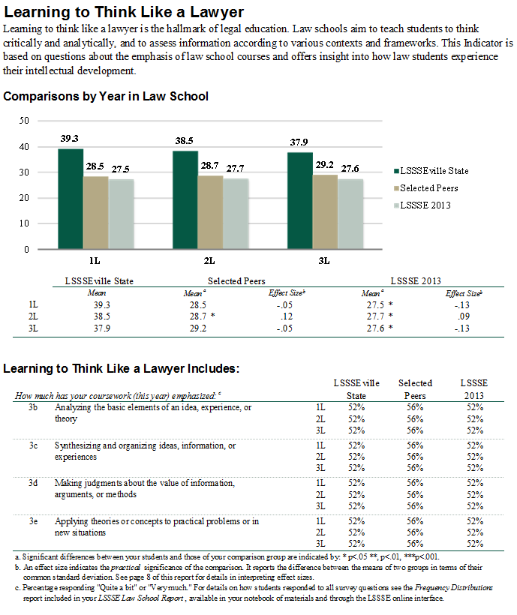
Student/Faculty Interactions
 | 25th %ile | 5th %ile | Median | 95th %ile | 75th %ile
 | 27.777777778 | 11.111111111 | 38.888888889 | 77.777777778 | 55.555555556
 | 22.222222222 | 11.111111111 | 33.333333333 | 72.222222222 | 50
 | 22.222222222 | 11.111111111 | 33 | 72.222222222 | 50
 | 22.222222222 | 11.111111111 | 33.333333333 | 72.222222222 | 50

Effect Size
Effect size indicates the practical significance of the mean difference. It is calculated by dividing the mean difference by the pooled standard deviation. In practice, an effect size of .2 is often considered small, .5 moderate and .8 large. A positive sign indicates that your school’s mean was greater, thus showing an affirmative result for the school. A negative sign indicates your school lags behind the comparison group, and, depending on the questions, this may suggest that the student behavior or school practice addressed in the question may warrant attention.

Engagement Indicator Survey Items
The individual items used in creating the Engagement Indicator are summarized and descriptive information is provided.

